Requirements
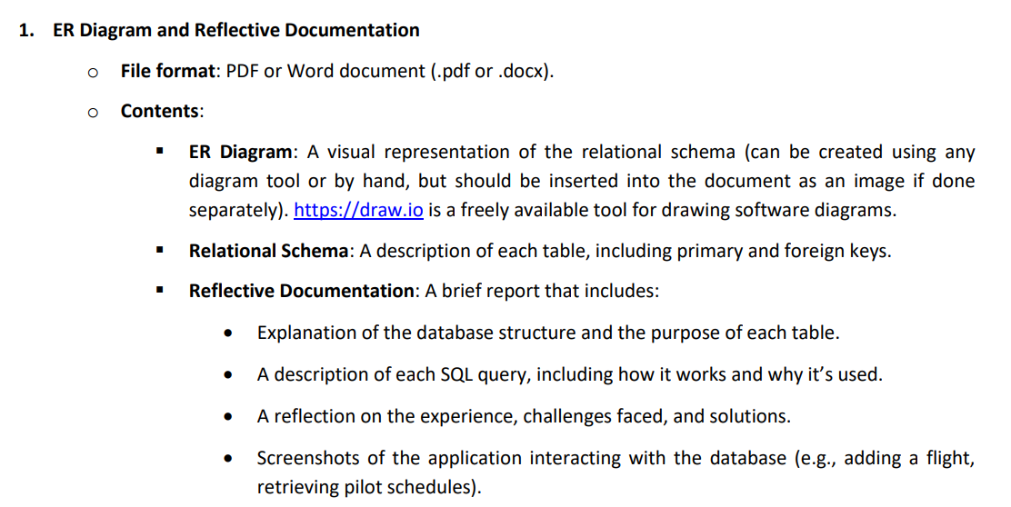

 |  | JetPop Regional

Pilot |  |  |  |  | Assumptions / Challenges
Pilot_ID |  |  |  |  | Need a min 1 captain per flight
Name |  |  |  |  | Two types of aircraft?
Rank | Captain / First Officer |  |  |  | Pilots have to be rated for aircraft
Aircraft Rating | A350 |  |  |  | What rules on hours flown and downtime
Personel No. | To keep personal details seperately from flight software |  |  |  | Need a A-B distance table pre-populated to pull distance and therefore aircraft type
Contracted Hours | 30 per week? |  |  |  | How to block pilots from being on more than one flight at same time????
 |  |  |  |  | Same for aircraft
 |  |  |  |  |  | Maybe a check loop when creating a flight - search pilot ID and aircraft ID in existing flights that cover same time window +2 hours either side
Airports |  |  |  |  | Assumed only point to point for simplicity - assumes passengers booking onto connecting flights doesn't effect as all considered point to point from airline point of view
Airport_ID | Drawn from interational airport code
City
Country
Local Time Adjustment | GMT+ hours

Flight |  |  |  |  |  |  | Reports needed
Flight Number |  | Unique ID - IATA Airline two-character code followed by 1-4 digit number
Route_ID |  | Lookup from routes table
Route_Name |  | Lookup from routes table
Route Type |  | Short / Long haul calculated on route distance
Departure Date and Time GMT |  | Entered
Departure Date and Time Local |  | Calculation from Local Time Adjust
Departure Airport |  | Lookup from destinations table
Arrival Date and Time GMT |  | Calculation from flight time
Arrival Date and Time Local |  | Calculation from Local Time Adjust
Destination Airport |  | Has to be viable route from routes table
Flight time |  | Calculated by looking up selected aircraft speed and route distance
Direction |  | Outbound (as in route), Return (reverse of route)
Aircraft type |  | Lookup from routes table
Aircraft _ID |  | Selected aircraft ID
Captain |  | Selected pilot ID
Pilots |  | Listed pilots (up to 3)

Routes
Route_ID
Departure airport | Lookup from locations Airport ID |  | Airport | Combine into just two of the same field
Destination airport | Lookup from locations Airport ID
Route name | Hyphenation of departure and arrival destination
Distance | Miles distance
Aircraft Types | A350

Aircraft | G-AAAA to G-ZZZZ
Aircraft_ID | Registration number - https://en.wikipedia.org/wiki/List_of_aircraft_registration_prefixes
Type | A350
Cruise Speed | 500mph
Hours | Sum of hours scheduled
Maintenance Hours | Every 1000 hours

ER Diagram
pilots
routes
crews
airports
airframes
flying
servicing
connecting
flights
idPilot
idEmployee*
apCode
pointA
first_name
surname
registration
type
city
country
pointB
duration
2..3
1
0..*
1
1
0..*
2
0..*
manufacturer
long_haul
status
capacity
active
aircraft
model
1
0..*
located
introduced
hours
serial
1
0..*
captain
active
certifications
0..1
1
flight_number
designation
long_haul
arrival_time
departure_time
0..*
0..*
0..*
1
captain
officer
reserve
crewed
active
idCrew
idCertification
*foreign key simulated for assignment

Relational Schema
1
pilots
PK | idPilot | INT NOT NULL AUTOINCREMENT
FK*, AK | idEmployee | INT
1
 | first_name | VARCHAR(20) | flights
0..1
 | surname | VARCHAR(20) | PK | flight_number | INT NOT NULL AUTOINCREMENT
 | captain | BOOLEAN | AK | designation | VARCHAR(7) = ("JP-" & flight_number)
 | active | BOOLEAN | FK | route | INT NOT NULL = routes.idRoute
2..3
 |  |  |  | departure_time | TEXT
0..*
1
 |  |  |  | longhaul | BOOLEAN = (routes.duration > 360)
 |  |  |  | arrival_time | TEXT = (departure_time + routes.duration)
crews |  |  | FK | airframe | VARCHAR(6) = airframes.registration
PK | idCrew | INT NOT NULL AUTOINCREMENT |  | crewed | BOOLEAN
1
FK | flight | INT NOT NULL = flights.flight_number |  | active | BOOLEAN
0..*
0..*
FK | captain | INT NOT NULL = pilots.idPilot
FK | officer | INT NOT NULL = pilots.idPilot
FK | reserve | INT = pilots.idPilot

1
0..*
0..*
certifications
PK | idCertification | INT NOT NULL AUTOINCREMENT | routes
FK | pilot | INT NOT NULL = pilots.idPilot | PK | idRoute | INT NOT NULL AUTOINCREMENT
FK | type | VARCHAR(4) NOT NULL = aircraft.type | FK | pointA | VARCHAR(3) NOT NULL = airport.apCode
UNIQUE, AK | certificate_uq | VARCHAR(10) = pilot, type | FK | pointB | VARCHAR(3) NOT NULL = airport.apCode
 |  |  | UNIQUE, AK | route_uq | VARCHAR(6) = pointA, pointB
airframes |  |  |  | duration | INT NOT NULL
PK | registration | VARCHAR(6) NOT NULL |  | active | BOOLEAN
1
0..*
AK | serial | INT
FK | type | VARCHAR(4) NOT NULL = aircraft.type
0..*
2
 | introduced | TEXT
 | hours | INT
FK | location | VARCHAR(3) NOT NULL = airports.apCode | airports
1
 | active | BOOLEAN | PK | apCode | VARCHAR(3) NOT NULL
0..*
 |  |  |  | city | VARCHAR(20)
1
 |  |  |  | country | VARCHAR(20)

1
aircraft
PK | type | VARCHAR(4) NOT NULL
 | manufacturer | VARCHAR(20)
AK | model | VARCHAR(20) NOT NULL
 | capacity | INT
 | longhaul | BOOLEAN | *foreign key simulated for assignment

Query SQL
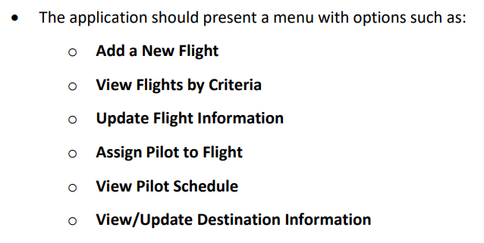

PRIORITY | VIEW FLIGHTS BY….....

1 | ROUTE…....
 |  | DEPARTURE…....
 |  | INPUTS: | apCode | VARCHAR(3)
 |  | RETURNS: | flights(designation)
 |  |  | flights(departure_time)
 |  |  | flights(route)
 |  | FROM: | flights
 |  | CONDITIONS: | routes(pointA) = INPUT
 |  |  | flights(scheduled) == TRUE

 |  | SELECT *
 |  | FROM flights
 |  | WHERE flights.active = TRUE
 |  | AND flights.route = |  |  | consider join as way of bringing in airport, airframe, and crew data rather than SQL within the python script
 |  |  | (SELECT routes.idRoute
 |  |  | FROM routes
 |  |  | WHERE pointA = "INPUT");

 |  | DESTINATION…......
 |  | INPUTS: | apCode | VARCHAR(3)
 |  | RETURNS: | flights(designation)
 |  |  | flights(departure_time)
 |  |  | flights(route)
 |  | FROM: | flights
 |  | CONDITIONS: | routes(pointB) = INPUT
 |  |  | flights(scheduled) == TRUE

 |  | SELECT *
 |  | FROM flights
 |  | WHERE flights.active = TRUE
 |  | AND flights.route = |  |  | consider join as way of bringing in airport, airframe, and crew data rather than SQL within the python script
 |  |  | (SELECT routes.pointA, routes.pointB
 |  |  | FROM routes
 |  |  | WHERE pointB = "INPUT");

3 | VIEW PILOT SCHEDULE
 | INPUTS: | idPilot | INT
 | RETURNS: | flights(designation)
 |  | flight(route)
 |  | flight(departure_time)
 | FROM: | crews
 | CONDITIONS: | crews(captain), crews(officer), crews(reserve) = INPUT
 |  | flights(scheduled) == TRUE

 |  | SELECT *
 |  | FROM flights
 |  | WHERE flights.scheduled = TRUE
 |  | AND flights.designation = |  |  | consider join to pull flight information together? But not sure if it works like that on this as parsing the flight number from crew into the flight SQL
 |  |  | (SELECT crew.flight
 |  |  | FROM crew
 |  |  | WHERE EITHER captain, officer, reserve = "INPUT");

 | VIEW ROUTES

2 |  | AIRPORT…....
 |  | INPUTS: | apCode | VARCHAR(3)
 |  | RETURNS: | routes(idRoute)
 |  |  | name = (routes(pointA) + '-' + routes(pointB))
 |  |  | routes(active)
 |  | FROM: | routes
 |  | CONDITIONS: | routes(pointA), routes(pointB) = INPUT

 |  | SELECT *
 |  | FROM routes
 |  | WHERE routes.pointA = "apCode" OR routes.pointB = "INPUT"
 |  | ORDER BY routes.idRoute ASC

4 |  | MAX DURATION…......
 |  | INPUTS: | duration | INT
 |  | RETURNS: | routes(idRoute)
 |  |  | name = (routes(pointA) + '-' + routes(pointB))
 |  |  | routes(duration)
 |  |  | routes(active)
 |  | FROM: | routes
 |  | CONDITIONS: | routes(duration) <= INPUT

 |  | SELECT *
 |  | FROM routes
 |  | WHERE routes.duration >= "INPUT"
 |  | ORDER BY routes.duration DESC

 | VIEW FLIGHTS BY….....
 | TYPE….......
 |  | LONGHAUL….......
 |  | INPUTS: | longhaul | BOOLEAN
 |  | RETURNS: | flights(designation)
 |  |  | routes(pointA)
 |  |  | routes(pointB)
 |  |  | flights(departure_time)
 |  | FROM: | flights
 |  | CONDITIONS: | flights(longhaul) == TRUE
 |  |  | flights(scheduled) == TRUE

 | AIRCRAFT TYPE….......
 |  | INPUTS: | type | VARCHAR(4)
 |  | RETURNS: | flights(designation)
 |  |  | routes(pointA)
 |  |  | routes(pointB)
 |  |  | flights(departure_time)
 |  | FROM: | flights
 |  | CONDITIONS: | airframes(type) = INPUT
 |  |  | flights(scheduled) == TRUE

Input SQL
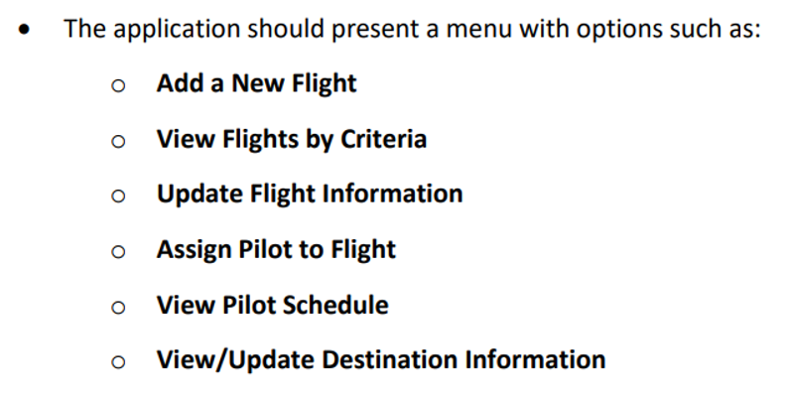

PRIORITY | ADD NEW FLIGHT….....
1
 | INPUT: | route(idRoute) |  | INT
 |  | return |  | BOOLEAN
 |  | departure_time |  | MASK: | YYYY-MM-DD HH:MM
 |  | airframes(registration) |  |  | VARCHAR(6)

 | CALCULATE: | flight_number |  | INT | AUTOINCREMENT
 |  | designation = 'JP-' + flight_number
 |  | longhaul = route(duration) >= 360 == TRUE
 |  | arrival_time = departure_time + route(duration)
 |  | scheduled == FALSE
 |  | active == TRUE

 | CONDITIONS: | route(idRoute) == NOT NULL
 |  | airframes(registration) == NOT NULL
 |  | routes(active) == TRUE
 |  | airframes(active) == TRUE
 |  | departure_time > NOW

 | ACTION: | CREATE flight

2 | UPDATE FLIGHT….....

 | INPUT: | flight_number |  | INT

 | CONDITIONS: | flight_number == NOT NULL

 | OPTION 1: | departure_time |  | MASK: | YYYY-MM-DD HH:MM

 | CONDITION 1: | departure_time == NOT NULL
 |  | departure_time > NOW

 | OPTION 2: | airframe |  | VARCHAR(6)

 | CONDITION 2: | airframes(active) == TRUE

 | OPTION 3: | active | BOOLEAN

 | CONDITION 3: | -

 | ACTIONS: | UPDATE flights

3 | ASSIGN CREW….....

 | INPUT: | flight(flight_number) |  | INT
 |  | pilots(idPilot) |  | INT
 |  | pilots(idPilot) |  | INT
 |  | pilots(idPilot) |  | INT

 | CONDITIONS: | flight(flight_number) == NOT NULL
 |  | pilots(idPilot) == NOT NULL
 |  | pilots(active) == TRUE
 |  | pilots(captain) == TRUE
 |  | flight(crewed) == FALSE
 |  | certifications(pilot) = id(Pilot) |  |  | CHECK THAT PILOTS ARE CERTIFIED FOR THAT TYPE

 | ACTION: | CREATE crews
 |  | UPDATE flights(scheduled) == TRUE

4 | UPDATE ROUTE….........

 | INPUT: | idRoute | INT

 | CONDITIONS: | idRoute == NOT NULL

 | OPTION 1: | duration | INT

 | CONDITION 1: | duration == NOT NULL

 | OPTION 2: | active | BOOLEAN

 | CONDITION 2: | -

 | ACTION: | UPDATE routes

